Sheet1
Shading Map Code | Shading Map | Excel File | Top 20 Image | Number of iterations | MPP | Series | SP | TCT
B9378P5 | ﻿block_shading(10, 6, np.array([9, 3, 7, 8])) | B9378P5.xslx | 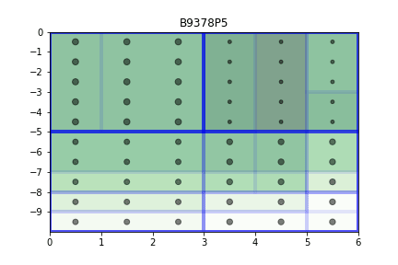 | 64000 | 202.3
B9378P10 | ﻿block_shading(10, 6, np.array([9, 3, 7, 8])) | B9378P10.xslx | 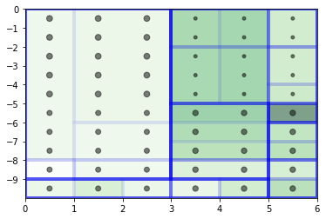 | 125000 | 229.7
﻿R01P5 | 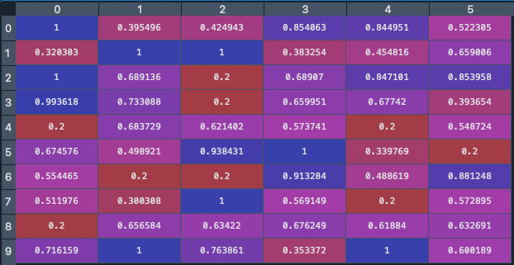 | ﻿R01P5.xslx | 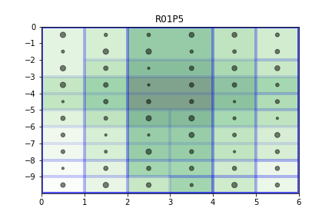 | 64000 | 184.8
R01P10 |  |  |  | 64000
S01P5 | Last column at 3, rest at 7 | S01P5.xslx | 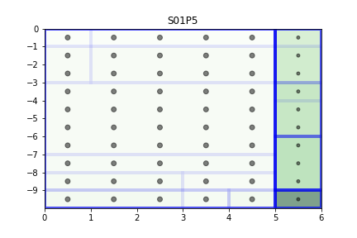 | 64000 | 230
S02P5 | Second row at 3, rest at 7 | S02P5.xslx | 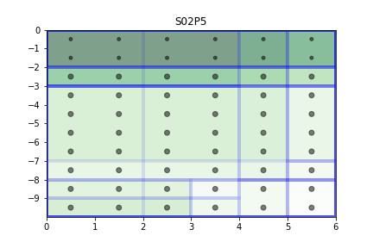 | 64000 | 202
S03P5 | First column at 3, rest at 7 | S03P5.xslx | 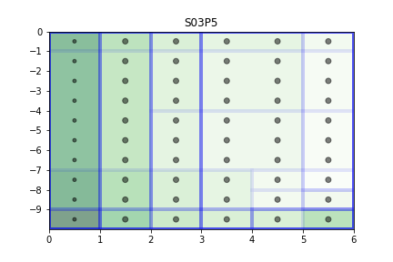 | 64000 | 219
C01P5 | 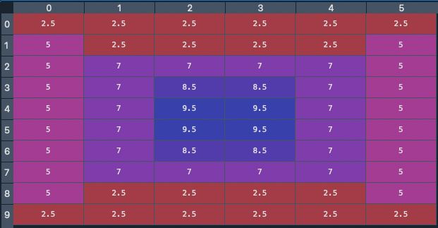 | C01P5.xslx | 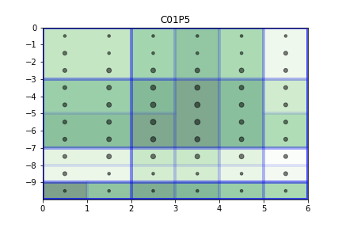 | 64000 | 146
C02P5 | 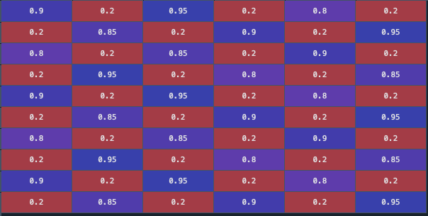 | C02P5.xslx
S04P5 | 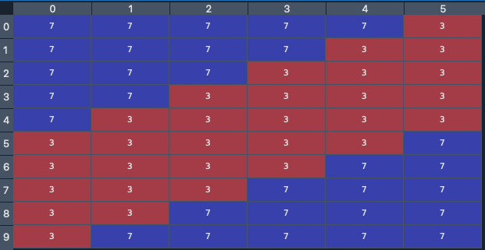 | S04P5.xslx | 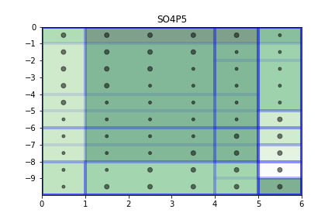 | 64000 | 170
S05P5 | 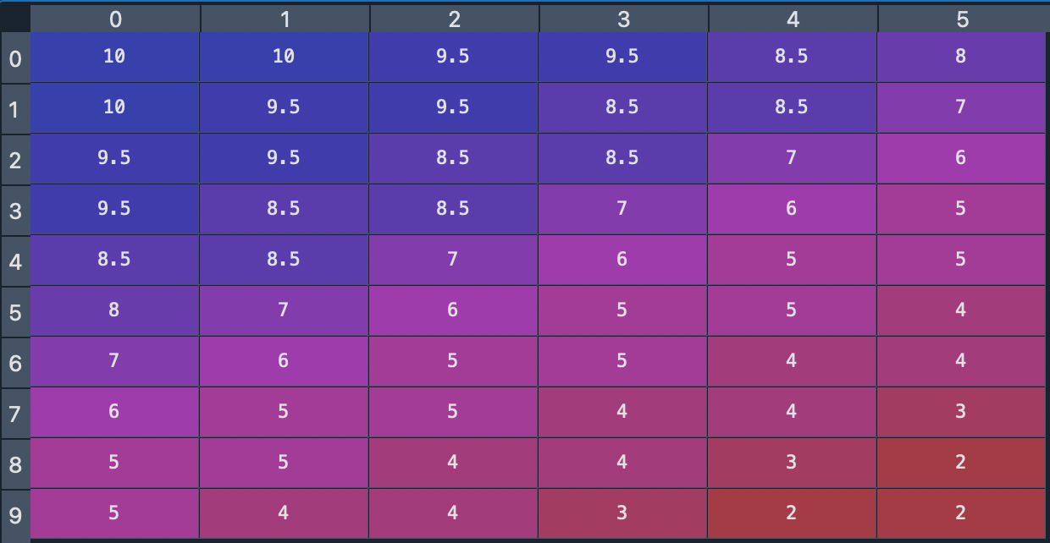 | S05P5.xslx

